Q.5
 | 5. How do you hide and unhide columns in excel?

 | Ans :

Method -1 | Shortcut Key : Alt + HOUL

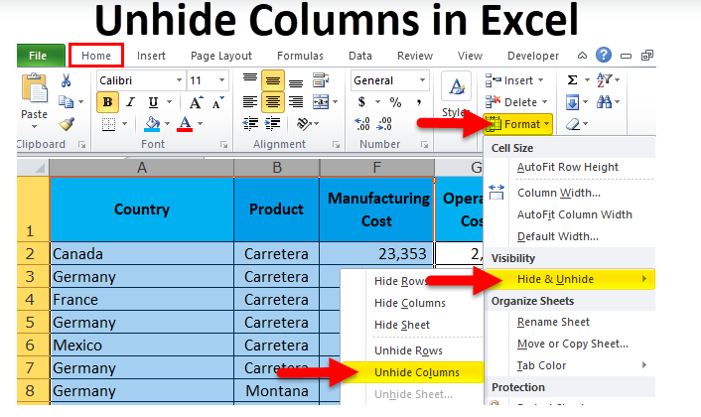
Method -2

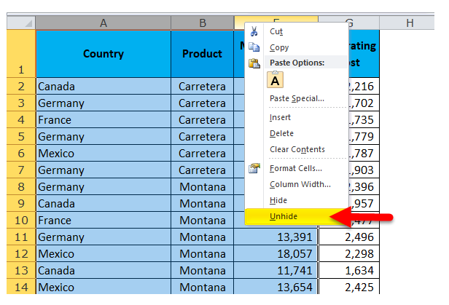
Method -3

